Salaries
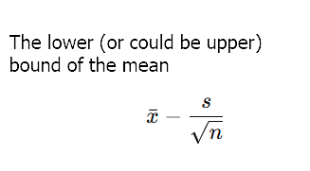
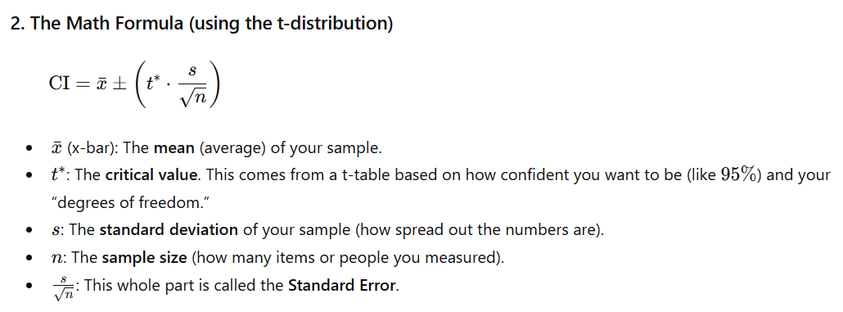
Confidence intervals, t-score

Background | You are given the dataset from the lesson
Task 1 | Calculate the mean and the standard error of the dataset
Task 2 | Determine which statistic to use for inference
Task 3 | Find the appropriate statistic, taking into consideration the degrees of freedom (if applicable) for 99% confidence
Task 4 | Find the 99% confidence interval

Dataset
$78,000 |  | Mean | $92,533
$90,000 |  | Standard Error | $4,644 |  | Standard deviation | $13,932
$75,000 |  |  |  |  | Square root of N | 3
$117,000 |  | Statistic | t-statistic
$105,000
$96,000 |  | 99% Confidence level
$89,500 |  | α | 0.01
$102,300 |  | α/2 | 0.005
$80,000 |  | (1-α/2) | 0.995

 |  | 99% CI | 3.355

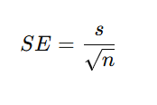
 |  | Note: | A confidence interval is an interval within which we are confident
 |  |  | (with a certain percentage of confidence) the population
 |  |  | parameter will fall

 |  | T | CI low | CI high
 |  | 0.99 | $76,953 | $108,114

The standard error (often shortened to SE) is a number that tells us how much we expect a sample average to vary from the true average of the entire population.

